Sheet1
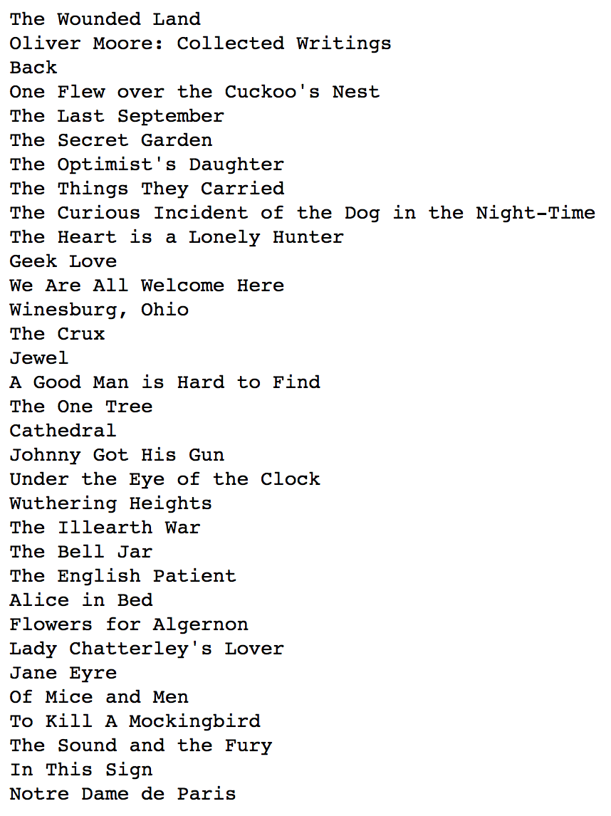
Vol | Sub-Vol | Character(s)
The Wounded Land |  | Thomas Covenant (maybe just "Covenant")
Olive Moore: Collected Writings | Spleen | Ruth's baby (no name?)
Back |  | Charley Summers
One Flew over the Cuckoo's Nest |  | Randle McMurphy | Chief Bromden | Williams | Billy Bibbit | George Sorensen | Martini | Jim Sefelt | Bruce Fredrickson | Ruckly | Ellis | Pete Bancini | Rawler | Old Blastic | The Lifeguard | Colonel Matterson
The Last September |  | Frances Montmorency | Daventry (PTSD)
The Secret Garden |  | Colin
The Optimist's Daughter |  | Judge (Clint) McKelva
The Things They Carried |  | Bob "Rat" Kiley | Lee Strunk?
The Curious Incident of the Dog in the Night-Time |  | Christopher John Francis Boone
The Heart is a Lonely Hunter |  | John Singer | Spiros Antonapoulous
Geek Love |  | Arturo ("Arty," also known as "Aqua Boy") | Electra ("Elly") and Iphigenia ("Iphy") | Olympia ("Oly") | Fortunato ("Chick")
We Are All Welcome Here |  | Paige Dunn
Winesburg, Ohio |  | Elizabeth Willard | Doctor Parcival | Enoch Robinson
The Crux |  | Morton Elder
Jewel |  | Brenda Kay
A Good Man Is Hard to Find
The One Tree
Cathedral
Johnny Got His Gun
Under the Eye of the Clock
Wuthering Heights
The Illearth War
The Bell Jar
The English Patient
Alice in Bed
Flowers for Algernon
Lady Chatterley's Lover
Jane Eyre (?)
Of Mice and Men |  | Lennie
To Kill A Mockingbird
The Sound and the Fury
In this Sign
Notre Dame de Paris |  | Hunchback

